2018-2019 Calendar
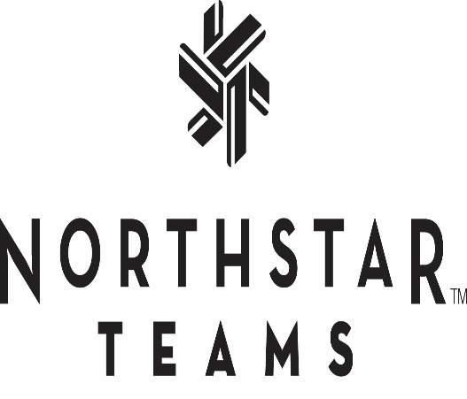
Winter 2019-20 |  |  |  |  |  |  |  |  | Full Time Competitive Program
 |  |  |  |  |  |  | October 19' |  |  |  |  |  |  | November 19' |  |  |  |  |  |  | December 19'
 |  |  |  |  |  |  | Su | M | Tu | W | Th | F | Sa | Su | M | Tu | W | Th | F | Sa | Su | M | Tu | W | Th | F | Sa
 |  |  |  |  |  |  |  |  | 1 | 2 | 3 | 4 | 5 |  |  |  |  |  | 1 | 2 | 1 | 2 | 3 | 4 | 5 | 6 | 7
 |  |  |  |  |  |  | 6 | 7 | 8 | 9 | 10 | 11 | 12 | 3 | 4 | 5 | 6 | 7 | 8 | 9 | 8 | 9 | 10 | 11 | 12 | 13 | 14
 |  |  |  |  |  |  | 13 | 14 | 15 | 16 | 17 | 18 | 19 | 10 | 11 | 12 | 13 | 14 | 15 | 16 | 15 | 16 | 17 | 18 | 19 | 20 | 21
 |  |  |  |  |  |  | 20 | 21 | 22 | 23 | 24 | 25 | 26 | 17 | 18 | 19 | 20 | 21 | 22 | 23 | 22 | 23 | 24 | 25 | 26 | 27 | 28
 |  |  |  |  |  |  | 27 | 28 | 29 | 30 | 31 |  |  | 24 | 25 | 26 | 27 | 28 | 29 | 30 | 29 | 30 | 31

January 20' |  |  |  |  |  |  | February 20' |  |  |  |  |  |  | March 20' |  |  |  |  |  |  | April 20'
Su | M | Tu | W | Th | F | Sa | Su | M | Tu | W | Th | F | Sa | Su | M | Tu | W | Th | F | Sa | Su | M | Tu | W | Th | F | Sa
 |  |  | 1 | 2 | 3 | 4 |  |  |  |  |  |  | 1 | 1 | 2 | 3 | 4 | 5 | 6 | 7 |  |  |  | 1 | 2 | 3 | 4
5 | 6 | 7 | 8 | 9 | 10 | 11 | 2 | 3 | 4 | 5 | 6 | 7 | 8 | 8 | 9 | 10 | 11 | 12 | 13 | 14 | 5 | 6 | 7 | 8 | 9 | 10 | 11
12 | 13 | 14 | 15 | 16 | 17 | 18 | 9 | 10 | 11 | 12 | 13 | 14 | 15 | 15 | 16 | 17 | 18 | 19 | 20 | 21 | 12 | 13 | 14 | 15 | 16 | 17 | 18
19 | 20 | 21 | 22 | 23 | 24 | 25 | 16 | 17 | 18 | 19 | 20 | 21 | 22 | 22 | 23 | 24 | 25 | 26 | 27 | 28 | 19 | 20 | 21 | 22 | 23 | 24 | 25
26 | 27 | 28 | 29 | 30 | 31 |  | 23 | 24 | 25 | 26 | 27 | 28 | 29 | 29 | 30 | 31 |  |  |  |  | 26 | 27 | 28 | 29 | 30

 |  |  |  |  |  | Full-Time U16, U19 & Teen Snowboard |  |  |  |  |  |  |  |  | No Teams |  |  |  | Equipment Day
 |  |  |  |  |  | All Competitive Teams |  |  |  |  |  | Orientations

Start Day for Full Time Alpine U/16, U/19, Teen Freeski, Teen Snowboard Programs: October 21nd
Start Day for Full Time Alpine U/10, U/12, U/14,Grom Freeski, Grom Snowboard programs: November 16th

